Home-Owner

Glass Order Sheet

 | Date: |  | Cell:
 | Name: |  | Email:
 | Address:

42" Standard Height Rail
Item | # of Pieces | Width : closest 1/8 inbch | Standard Height | Location | Glass Type
 |  | Post to Post inside ( inches ) | 35.375 | ex: North 1 | Clear / Pinhead / Rain Solar Grey / Solar Bronze
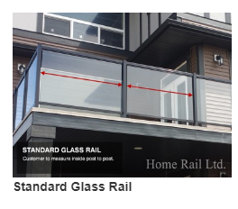
1 |  |  | 35.375
2 |  |  | 35.375
3 |  |  | 35.375
4 |  |  | 35.375
5 |  |  | 35.375
6 |  |  | 35.375
7 |  |  | 35.375
8 |  |  | 35.375
9 |  |  | 35.375
10 |  |  | 35.375

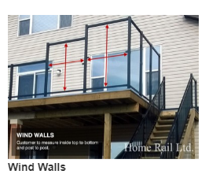
Other : Windwalls and Non Standard Height ( Topless Below )
Item | # of Pieces | Width : (closest 1/8 inch) | Height | Location | Glass Type
 |  | Post to Post inside ( inches ) | Shortest distance top to bottom | ex: North 1 | Clear / Pinhead / Rain Solar Grey / Solar Brz
1
2
3
4
5
6
7
8
9
10

Topless Glass
Item | # of Pieces | Width : (closest 1/8 inch) | Height | Location | Glass Type
 |  | Shortest distance channel to channel | Filled in by Home-Rail | ex: North 1 | Clear only
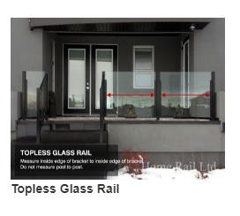
1 |  |  | 39.000 |  | Clear 10 mm
2 |  |  | 39.000 |  | Clear 10 mm
3 |  |  | 39.000 |  | Clear 10 mm
4 |  |  | 39.000 |  | Clear 10 mm
5 |  |  | 39.000 |  | Clear 10 mm
6 |  |  | 39.000 |  | Clear 10 mm
7 |  |  | 39.000 |  | Clear 10 mm
8 |  |  | 39.000 |  | Clear 10 mm
9 |  |  | 39.000 |  | Clear 10 mm
10 |  |  | 39.000 |  | Clear 10 mm

Stair Glass ( Must be Measured by Home-Rail )

